TECH SHEET
DATE | 2026-05-29 | DATE | 2026-05-29
SEASON | AW2627 - BULK INSTRUCTIONS | SEASON | AW2627 - BULK INSTRUCTIONS
CUSTOMER/LABEL | THE JACK LEATHERS | CUSTOMER/LABEL | THE JACK LEATHERS
SUPPLIER | PAKKAR | SUPPLIER | PAKKAR
STYLE NAME | CLERMONT with reversible vest | STYLE NAME | Reversible vest
DESCRIPTION | MAN FIELD JACKET with reversible vest | DESCRIPTION | REVERSIBLE VEST
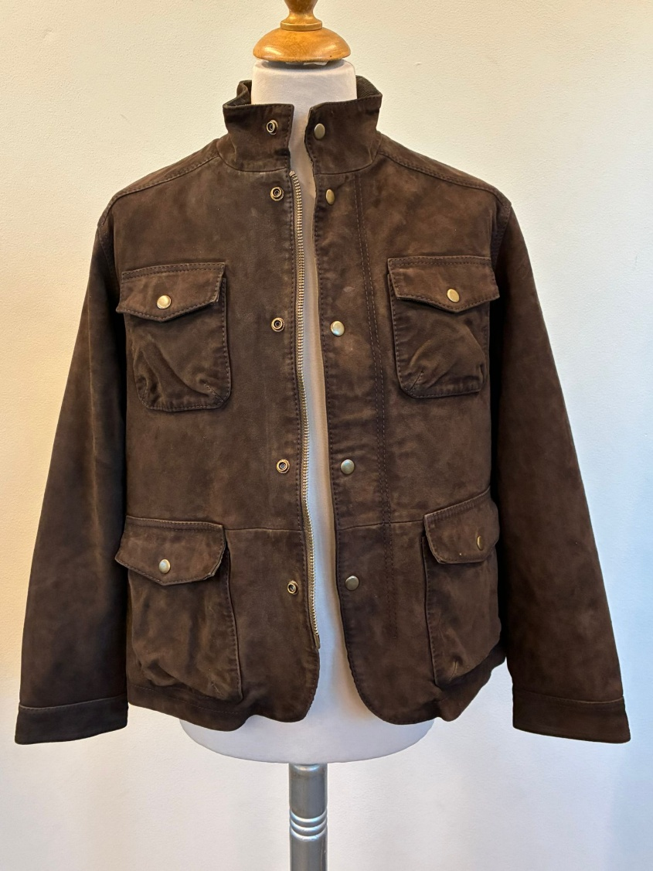 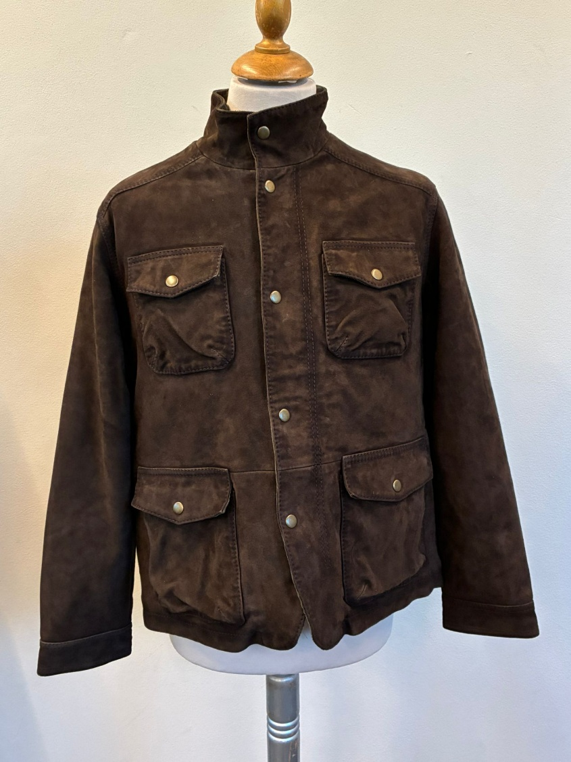 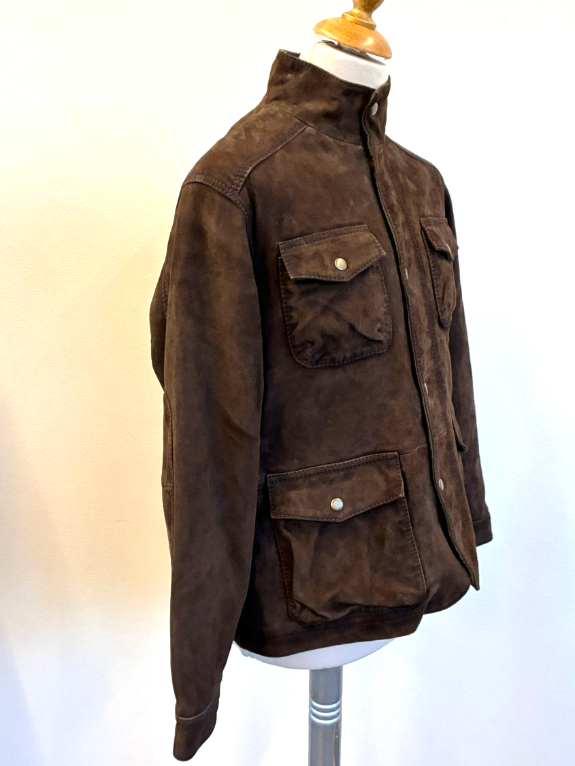 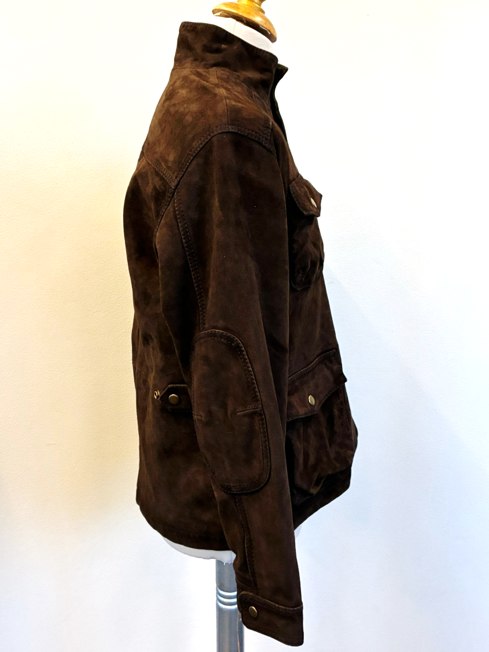 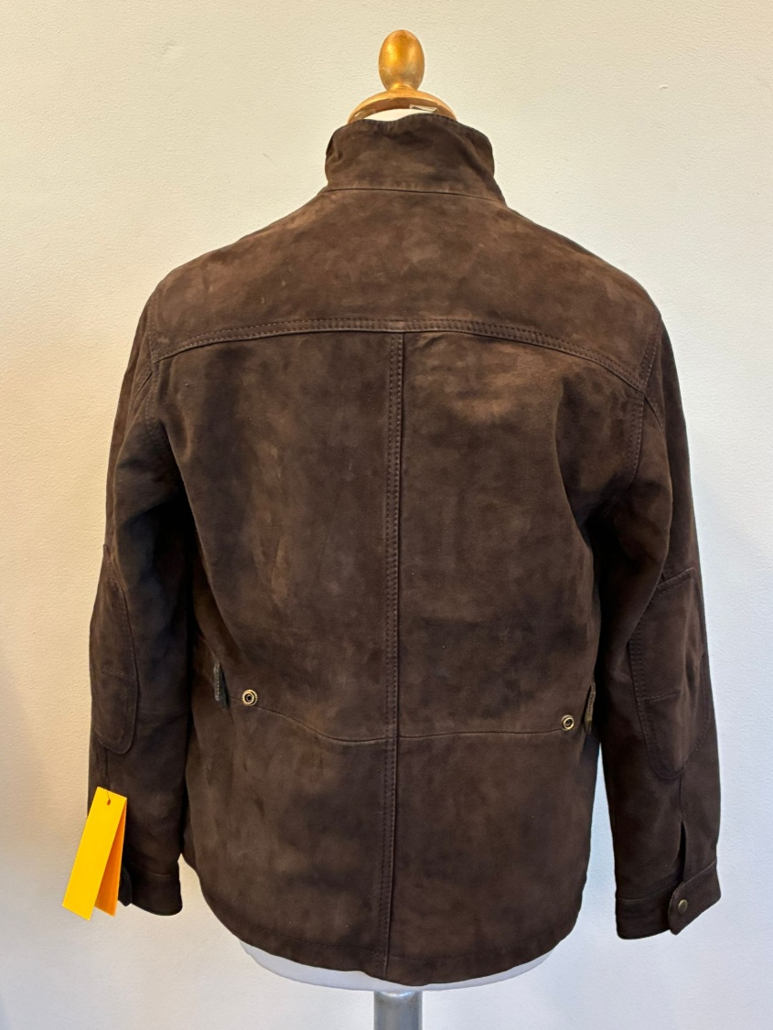 PICTURES |  | 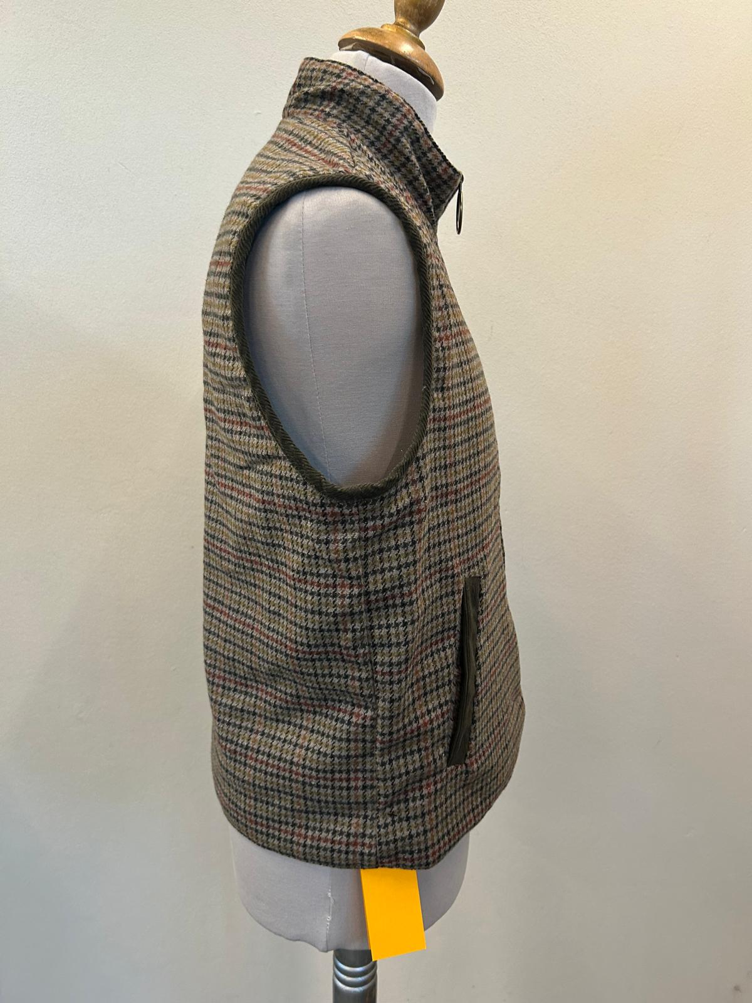 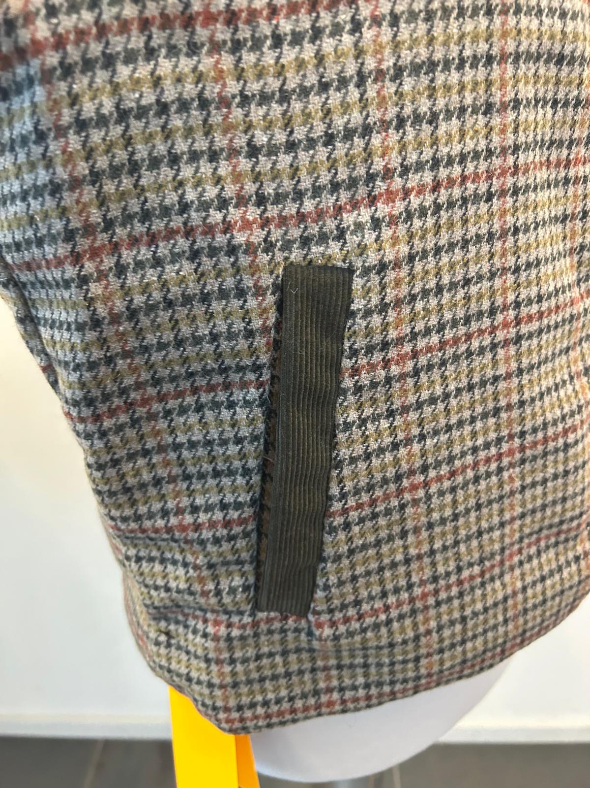 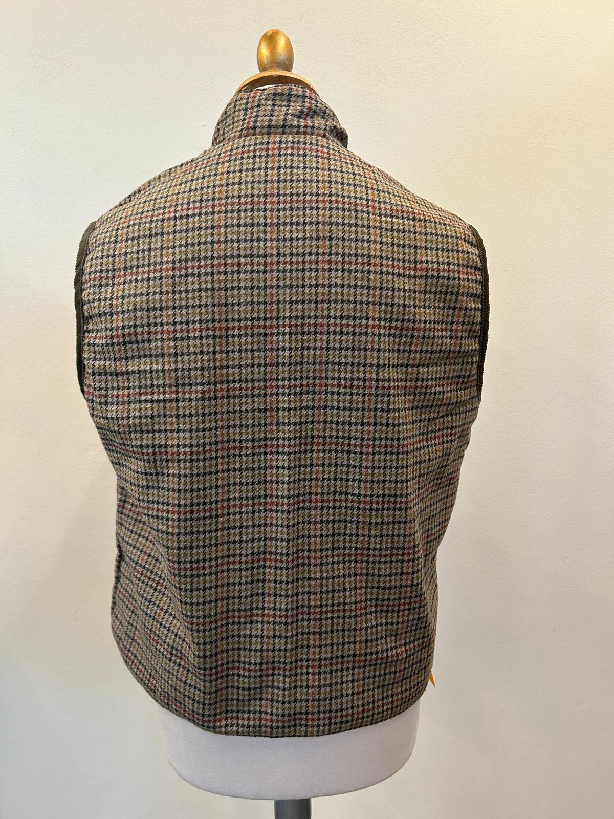 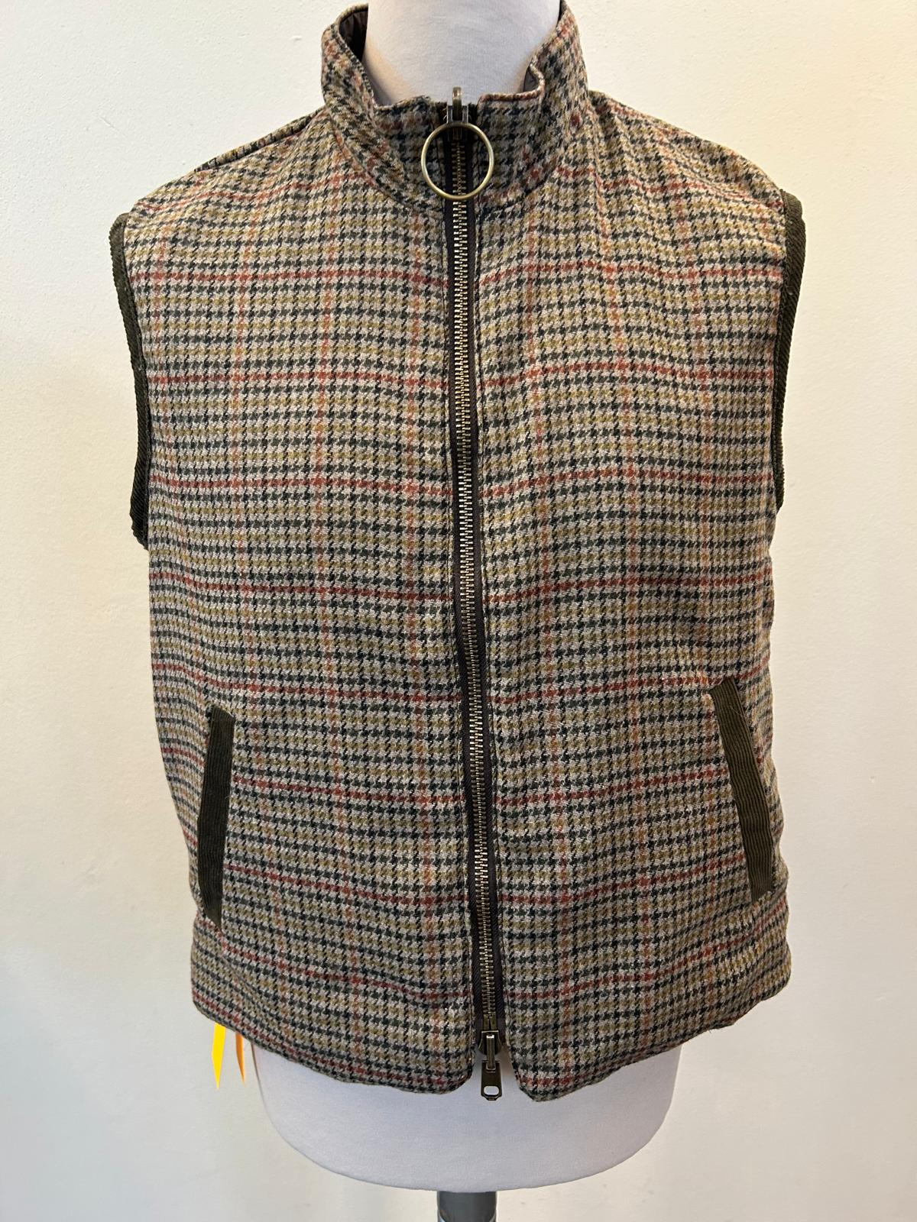 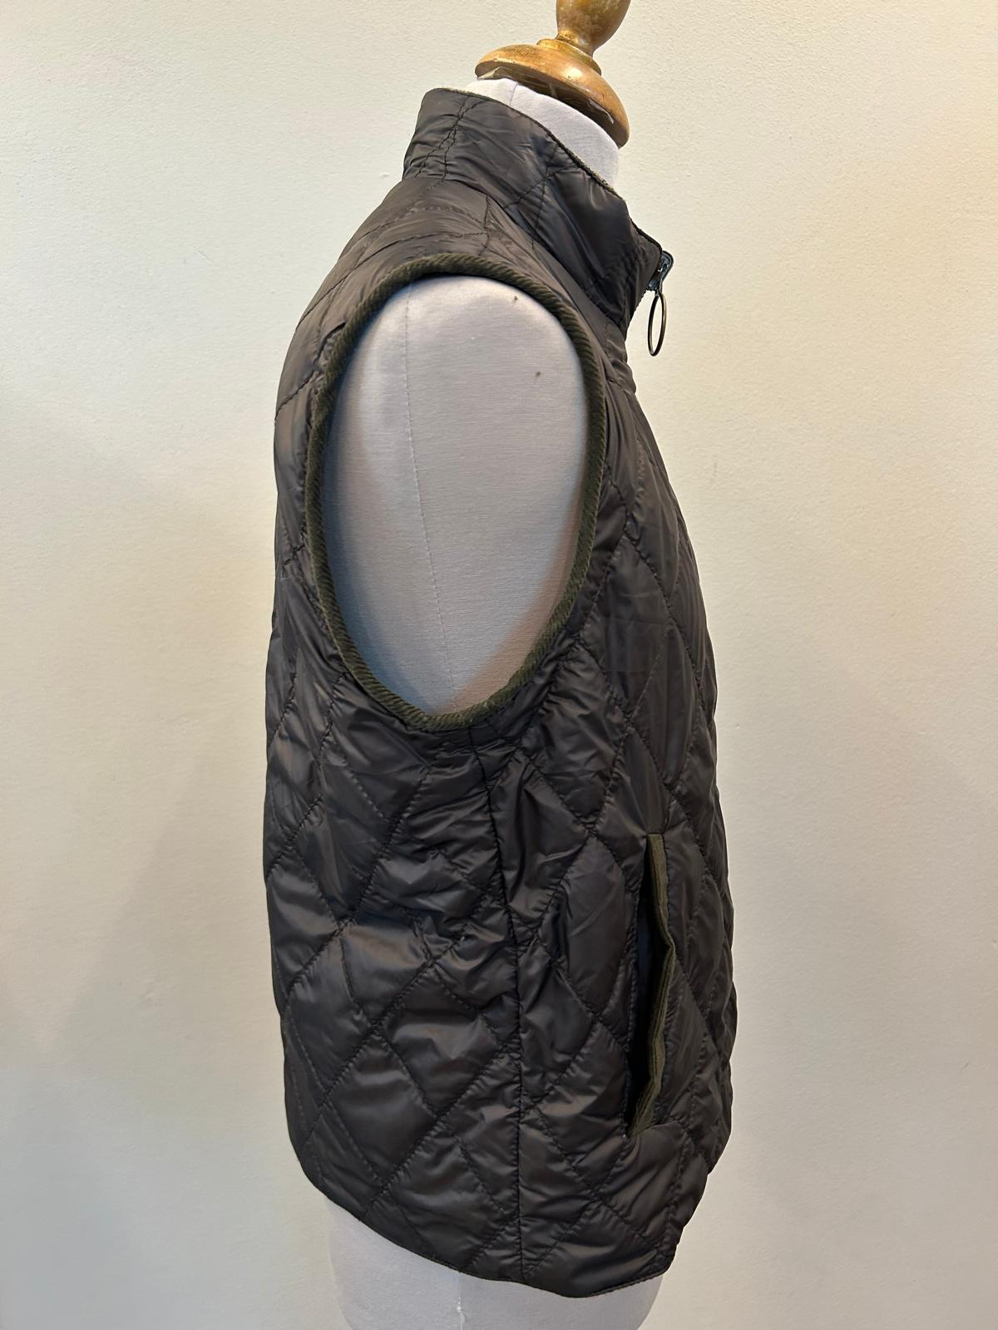 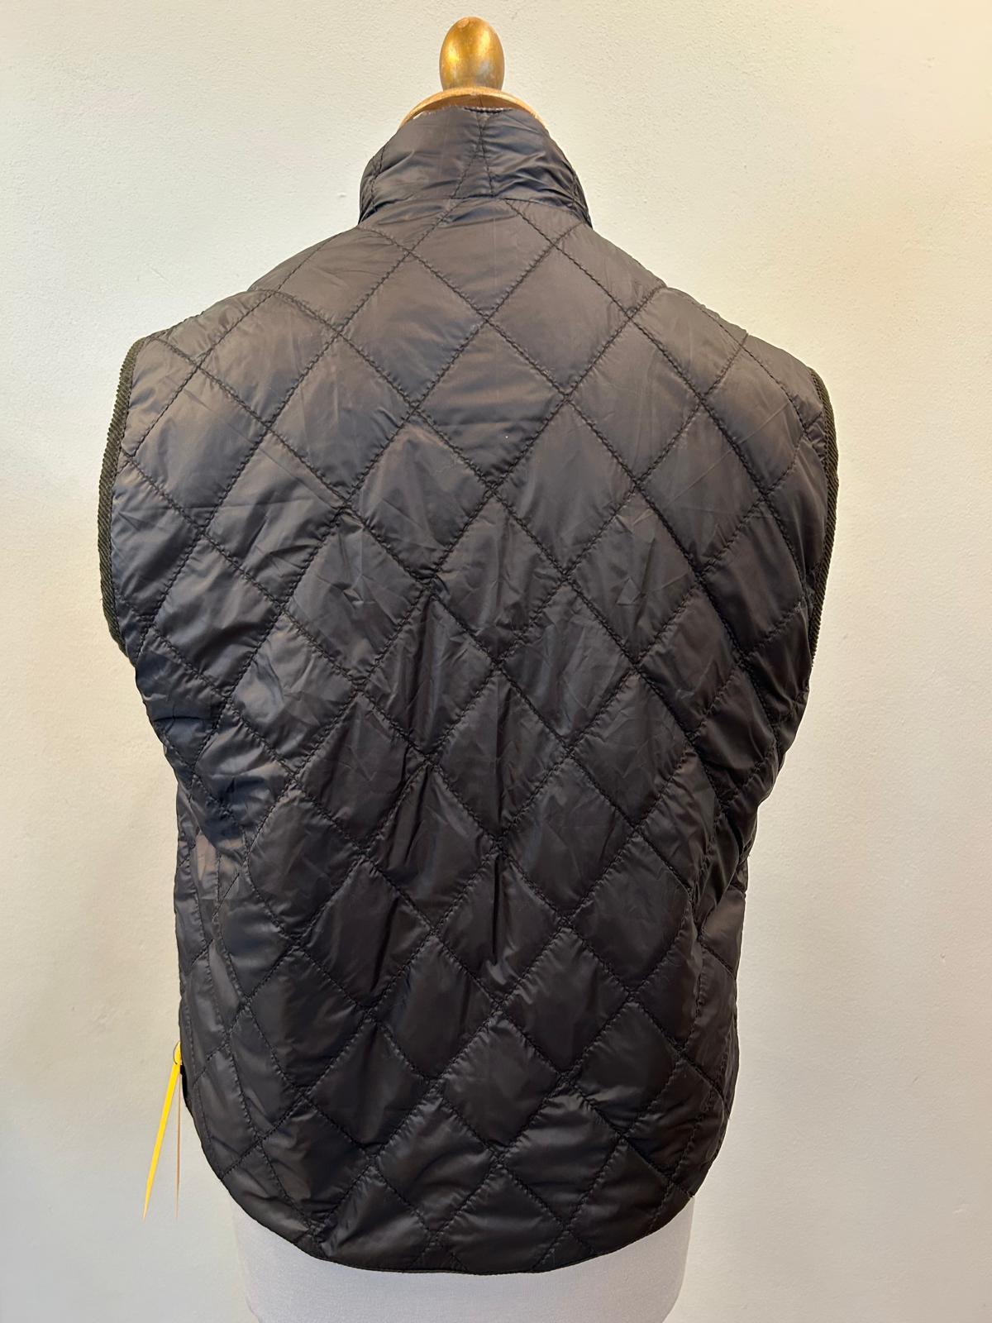 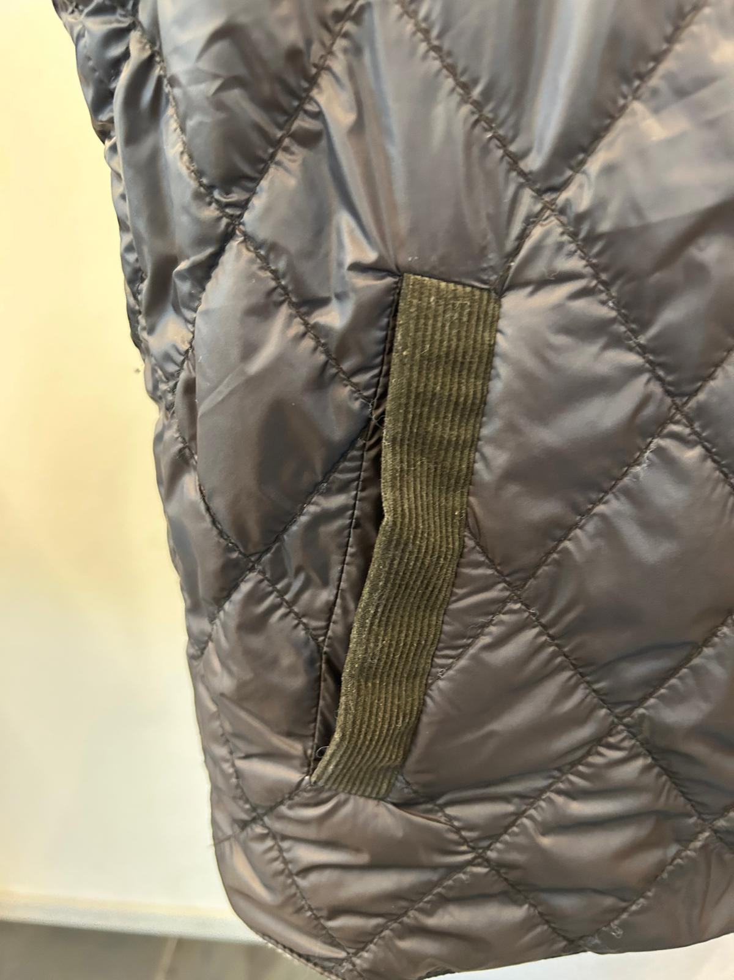 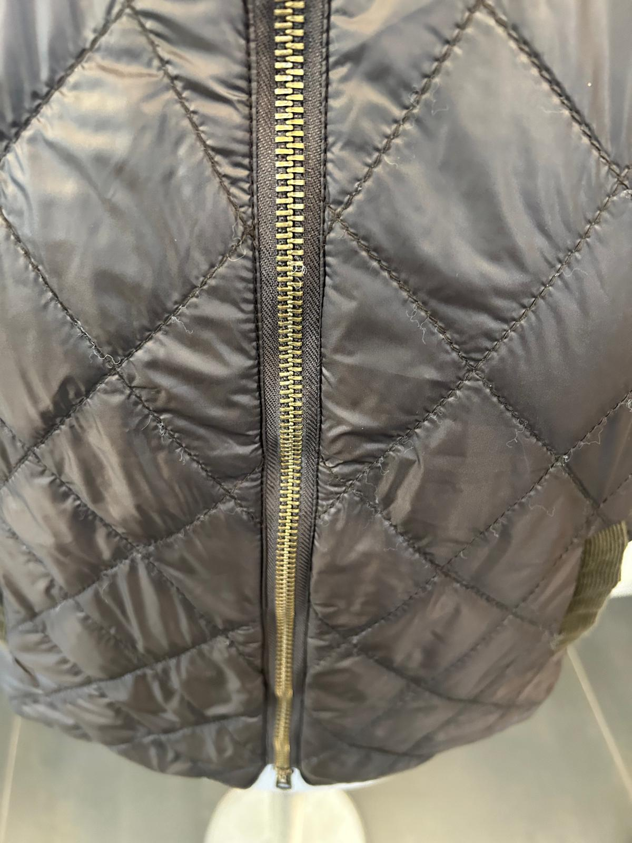 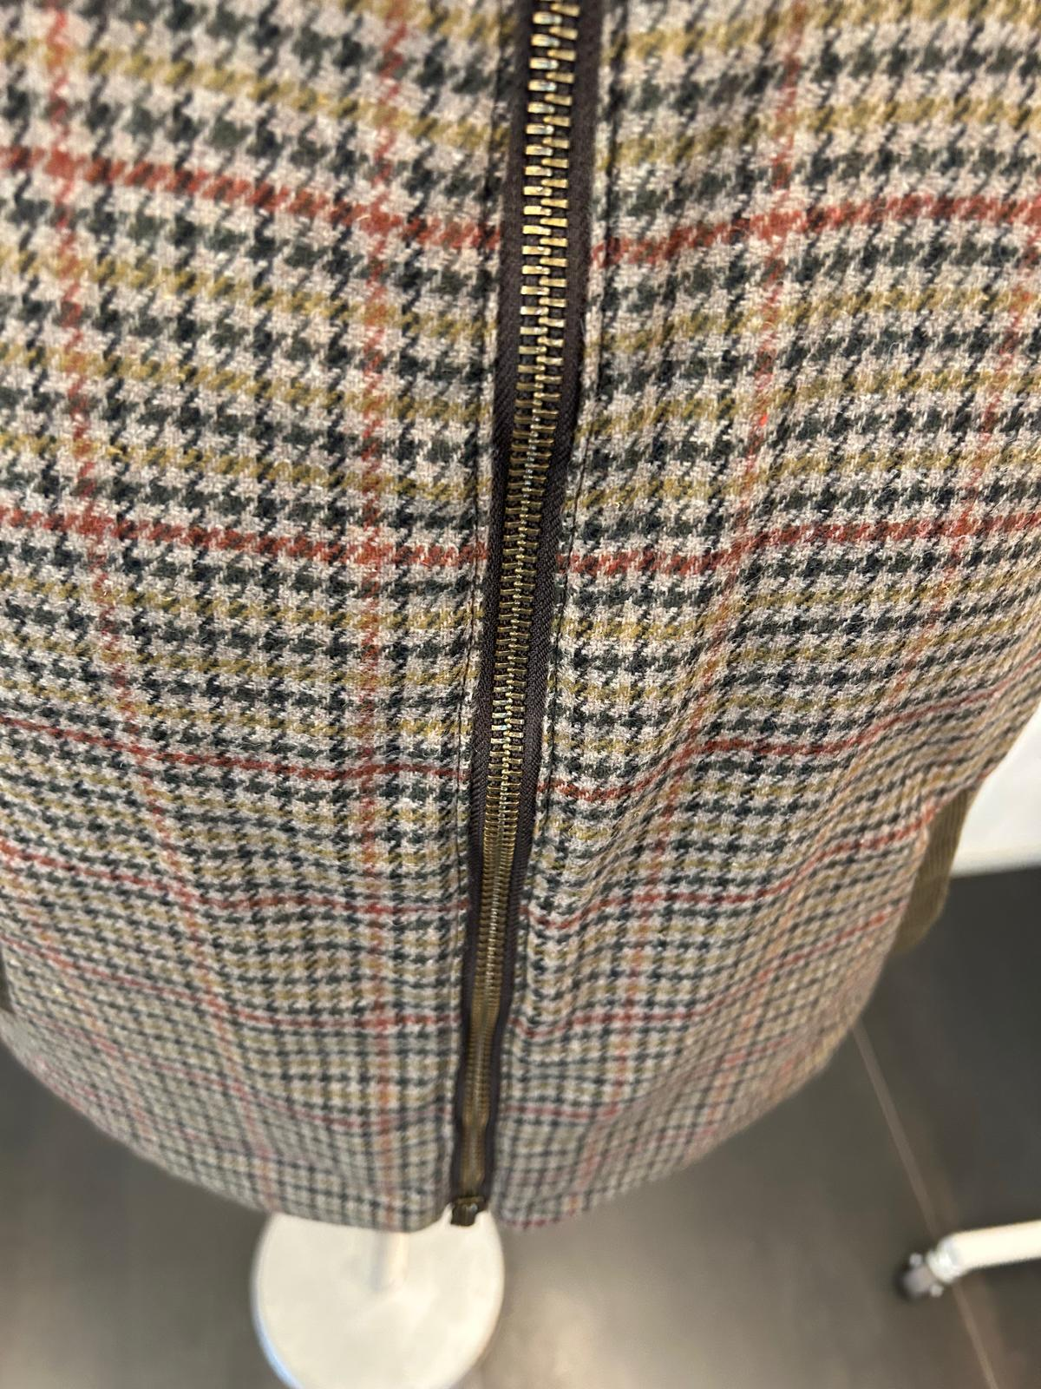 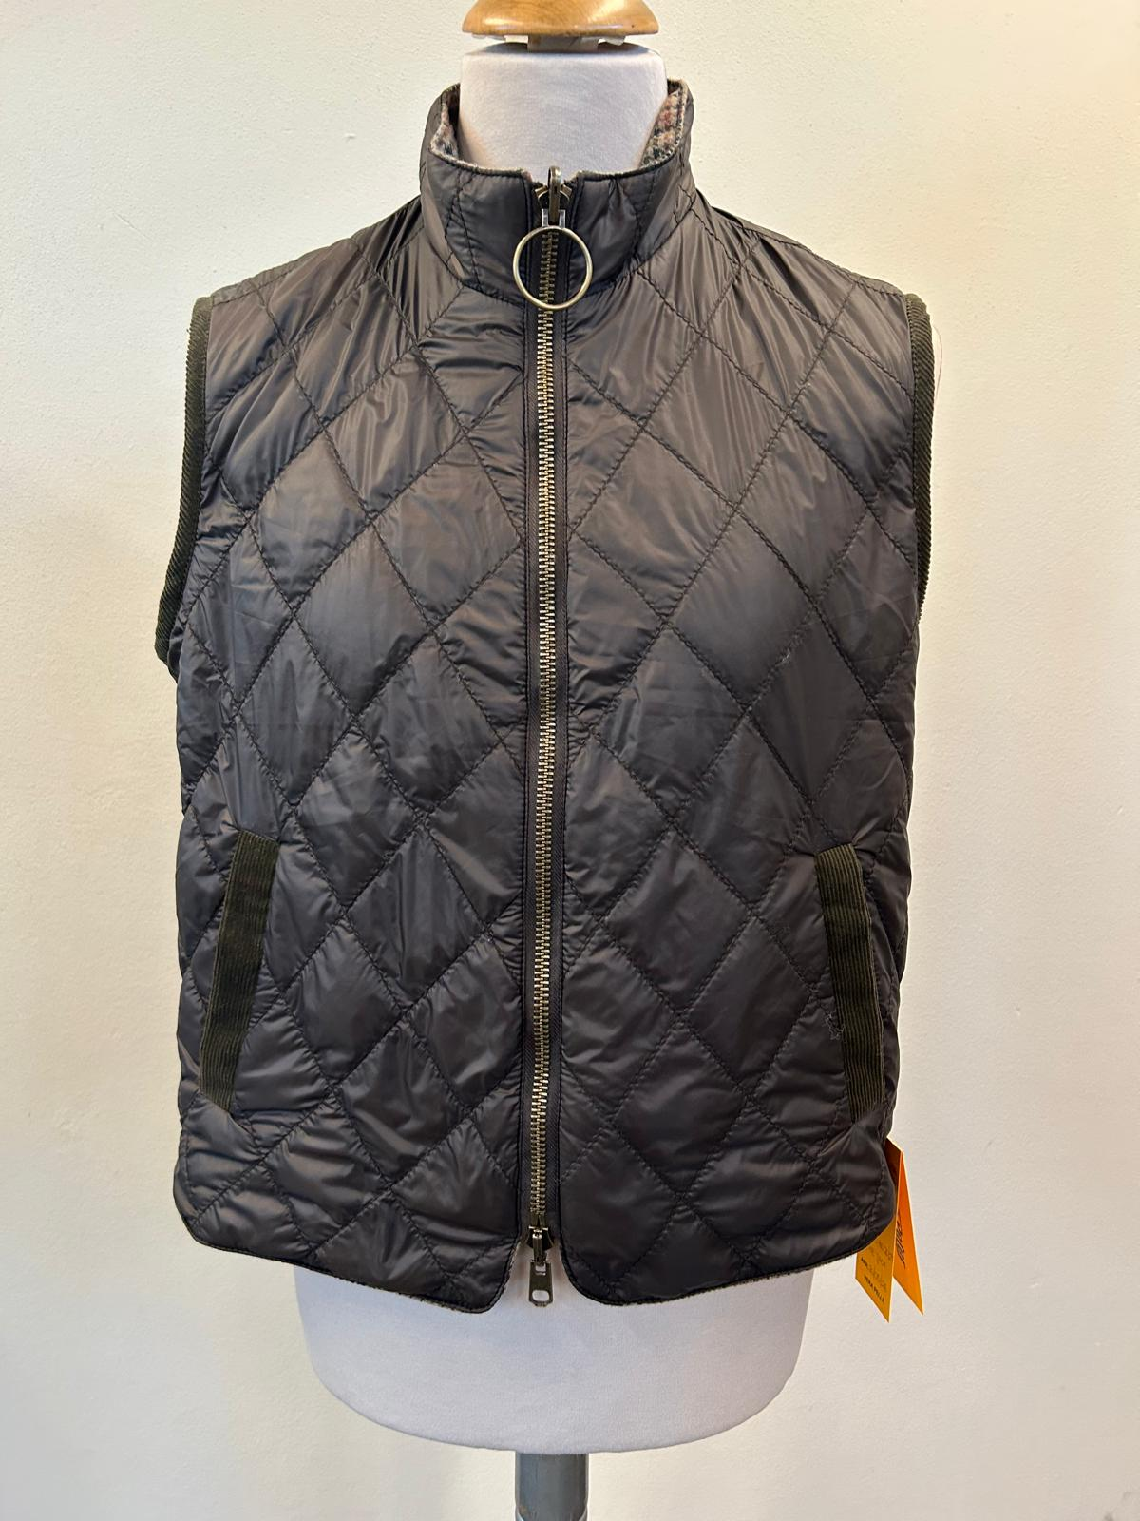 PICTURES
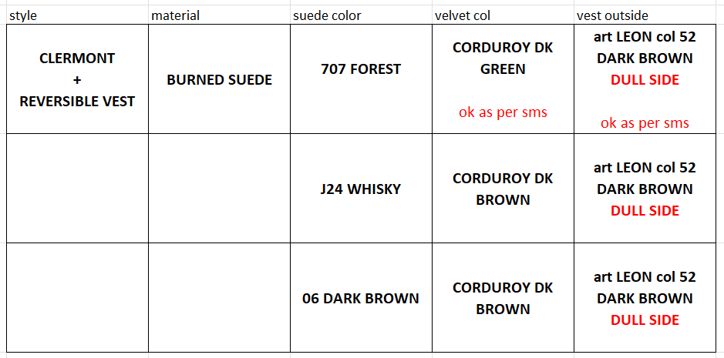 LEATHER QUALITY | SUEDE, NOT FULLY FUSED, OK AS PER SMS/PPS SPRAY WASH ON SEAMS & THEN TUMBLED, OK AS PER PPS THE DARKENING IS ONLY A LIGHT SHADING AND IS ALMOST UNNOTICEABLE, DO NOT MAKE HEAVY DARKENING, OK AS PER PPS SUEDE SUBSTANCE AFTER WASHING, 0,75/0,80mm, THE SUBSTANCE MUST BE NOT MORE THAN 0,8mm OK AS PER SMS/PPS THE SUEDE TOUCH MUST BE SOFT >AVOID PLEATS, AVOID LEATHER MARKS, VEINS MARKS >THE PANELS SHOULD HAVE SAME HAIRY-DIRECTION IN EVERY PANELS, NO MISMATCHING >AVOID GLUE STAINS + VELVET CORDUROY FOR INSIDE COLLAR + BODY FACINGS + INSIDE CUFFS + UNDER POCKET-FLAPS, PARTS IN VELVET CORDUROY CONFIRMED AS PER SMS/PPS, WHEN THE UNDER PARTS ARE IN VELVET, THEY MUST NOT BE VISIBLE OUTSIDE OVER THE EDGES >>SEE SIDE CHART FOR COMBINATION OF SUEDE COLOR + art VELVET COLOR >FOR SUEDE col. 707 FOREST -> USE CORDUROY col. DARK GREEN, OK AS PER SMS >FOR SUEDE col. J24 WHISKY and col. 06 DARK BROWN -> USE CORDUROY col. DARK BROWN--> VELVET COLOR USED ON PPS IS NOT APPROVED BECAUSE IT IS DARK GREEN; IN COMBINATION WITH DARK BROWN SUEDE, WE REQUIRE DARK BROWN VELVET. KINDLY ASK THE VELVET col DARK GREEN and col DARK BROWN, DIRECTLY TO mr AEJAZ |  |  | 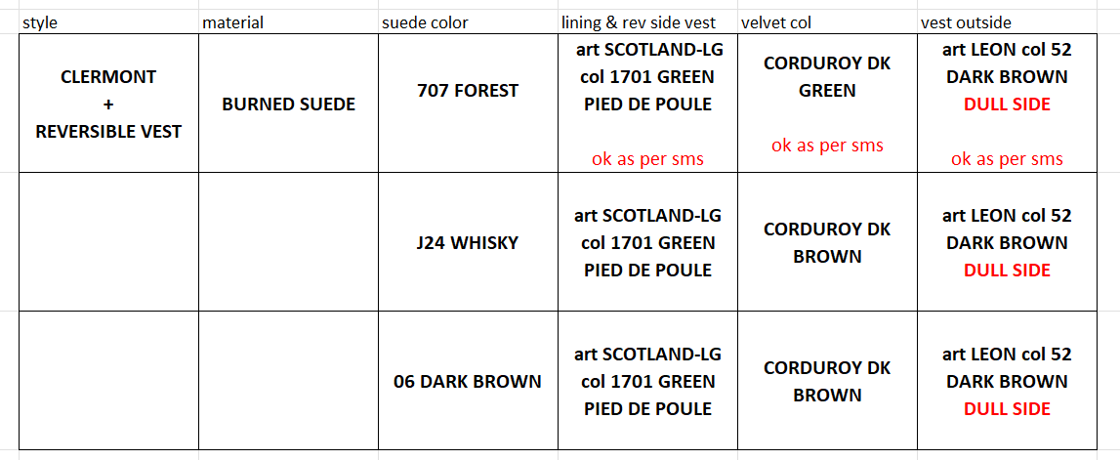
THE PPS DIAMOND SHAPE & SIZE IS WRONG, KINDLY FOLLOW BULK PATTERN AND INFO OF 10,5cm X 8cm
8cm
10,5cm
DIAMOND SHAPE
 |  | 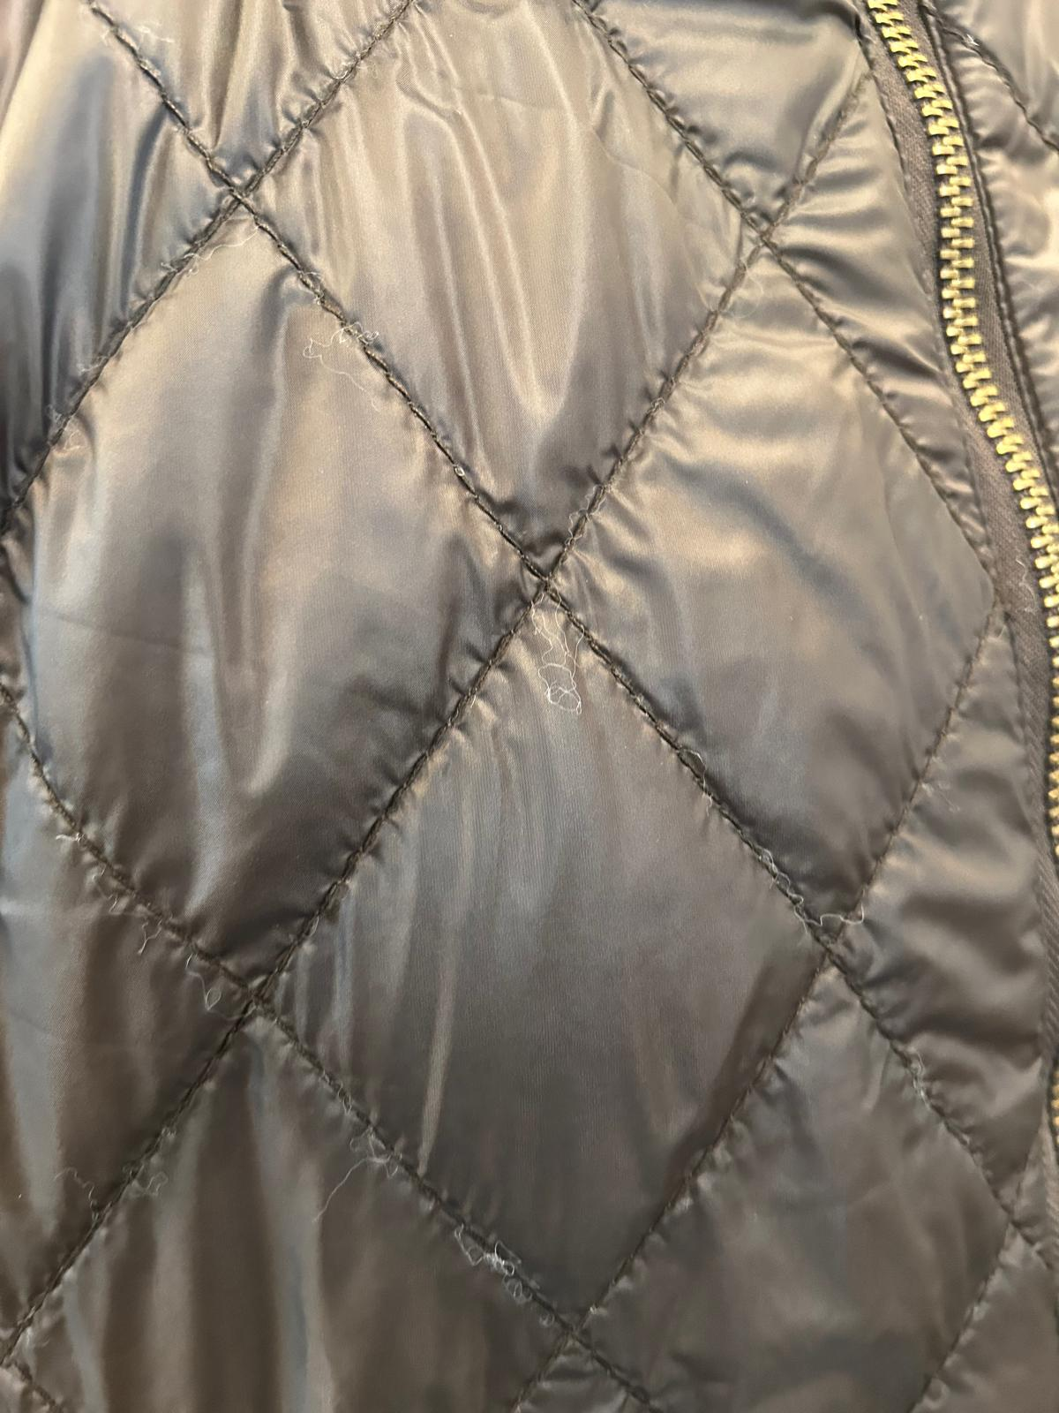 MATERIALS | SIDE A NYLON: >SIDE A NYLON: art LEON col 52 DARK BROWN →TEXTILE art LEON col 52 DARK BROWN,OK AS PER SMS/PPS, FIXED FOR ALL COLORS >NYLON SIDE is DIAMOND QUILTED THE PPS DIAMOND SHAPE & SIZE IS WRONG, KINDLY FOLLOW BULK PATTERN AND INFO OF 10,5cm X 8cm SIDE B WOOLISH TEXTILE: art SCOTLAND-LG col 1701 GREEN PIED DE POULE, NOT QUILTED →TEXTILE art SCOTLAND-LG col 1701, OK AS PER SMS/PPS, FIXED FOR ALL COLORS VELVET CORDUROY FOR ARMHOLE EDGE PIPING & SINGLE WELT POCKETS ON BOTH SIDES OF VEST FOLLOW SIDE COLOR CHART FOR COMBINATION DUEDE JACKET & DETAILS IN VELVET CORDUROY -> VELVET COLOR USED ON PPS IS NOT APPROVED BECAUSE IT IS DARK GREEN; IN COMBINATION WITH DARK BROWN SUEDE, WE REQUIRE DARK BROWN VELVET.
CIRCLE PPS PULLER, SIZE TOO BIG, FOR BULK 2cm WIDE
THE PPS ZIPPER IS TOO WAVY, IMPROVE STITCHING IN BULK
COLOUR/S | col.707 FOREST -> OK AS PER SMS style CLERMONT seal n°405 sent back for reference, to be copy in color/shade/tone col.J24 WHISKY-> FOLLOW THE SUEDE SWATCH REFERENCE COLOR SENT YOU, to be copy in color/shade/tone, AVOID FADED SKINS col.06 DARK BROWN -> OK AS PER SMS style ADELE KNIT suede part seal n°409 sent back for reference, to be copy in color/shade/tone | PATTERN | YOU'LL FIND PATTERN FOR VEST INCLUDED IN STYLE CLERMONT PATTERN PPS VEST FITTING IS CONFIRMED FOR SIZE 50 AND WE'RE GRADING ACCORDINGLY THIS VEST IS NOT ANCHORED TO OUTER BONDED SUEDE JACKET
8cm
10,5cm
DIAMOND SHAPE
PATTERN | DISREGARD THE PATTERN USED FOR PPS, IT IS NO LONGER VALID AMENDED GRADED PATTERN UNDER MAKING | 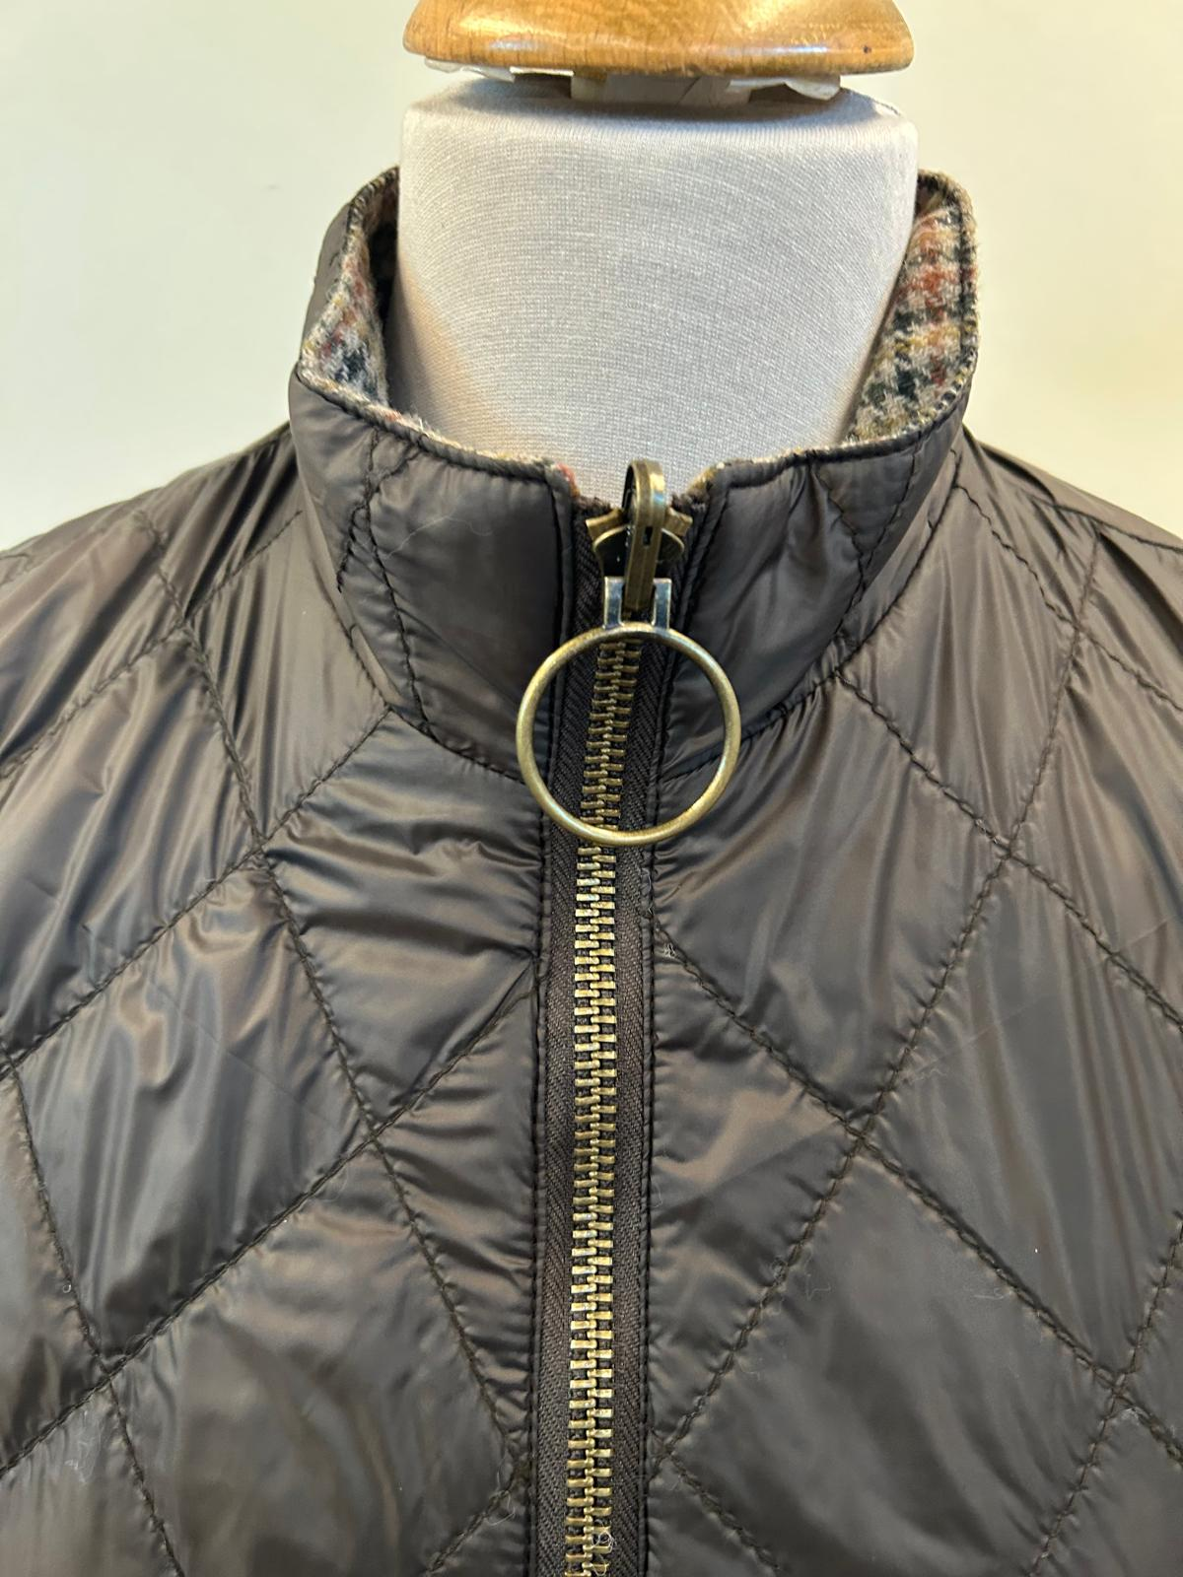 ZIPPERS | SBS/SAB/SAS ZIPPER N° 8 DOUBLE, REVERSIBLE SLIDERS, THE PPS ZIPPER IS TOO WAVY, IMPROVE STITCHING IN BULK, see side pic ANTIQUE BRASS FINISHING WITH ZIPPER TAPE MATCHING TO NYLON COLOR >CIRCLE SHAPED FOR TOP MAIN ZIPPER PULLER, REVERSIBLE, CIRCLE PPS PULLER, SIZE TOO BIG, FOR BULK 2cm WIDEsee side pps pic >NORMAL MAN SHAPE PULLER , FOR BOTTOM MAIN SLIDER, BOTH REVERSIBLE, OK AS PER SMS/PPS
 | LINING & TRIMS | PADDING | REVERSIBLE VEST SIDE A: NYLON TEXTILE PADDED & DIAMOND QUILTED MAKE DIAMOND QUILTING: 10,5cm heigh x 8,5 cm width, OK AS PER SMS, PPS IS WRONG FOLLOW THE INDICATED MEASUREMENTS & GRADED PATTERN WHERE WE ARE INDICATING THE CORRECT QUILTING SIZE/SHAPE TO FOLLOW PLEASE USE 60/40grm GOOD QUALITY POLYESTER INDIAN PADDING, OK AS PER SMS/PPS SIDE B: NO QUILTING, OK AS PER SMS/PPS
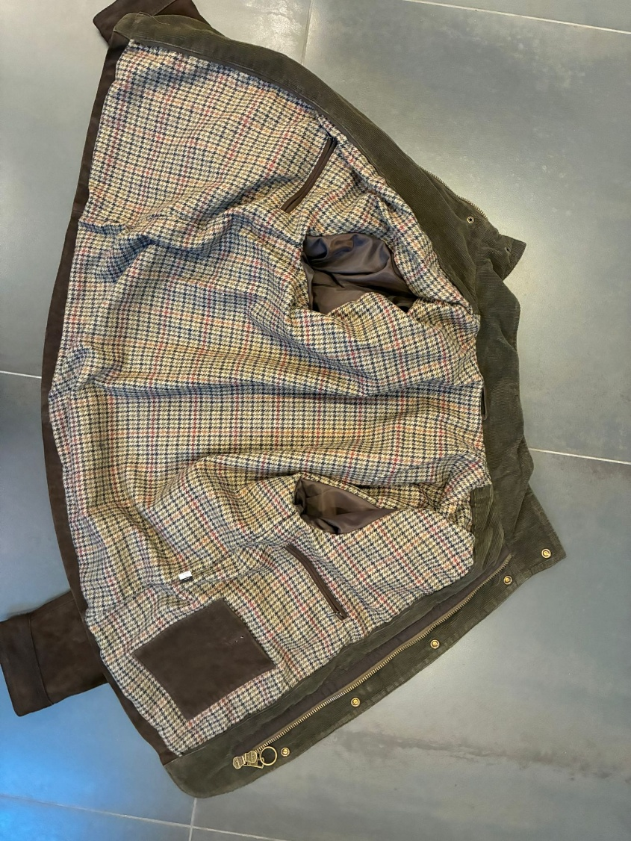 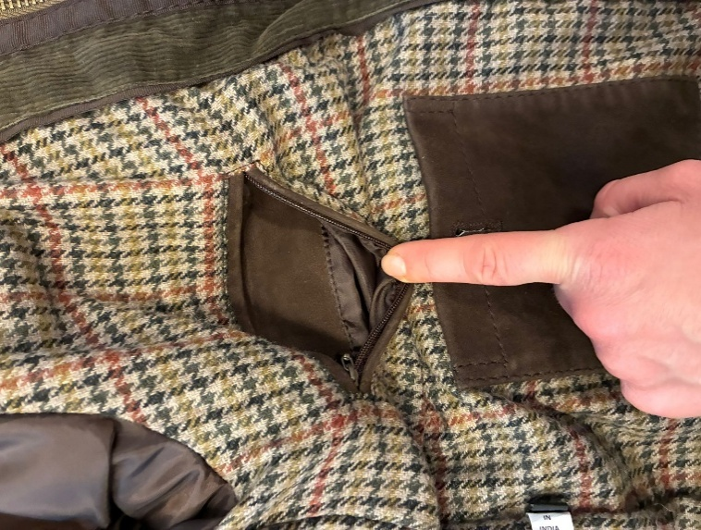 BODY LINING | >BODY LINED, OK AS PER PPS >VELVET CORDUROY BODY FACING >FOR SUEDE col. 707 FOREST -> USE CORDUROY col. DARK GREEN, OK AS PER SMS >FOR SUEDE col. J24 WHISKY and col. 06 DARK BROWN -> USE CORDUROY col. DARK BROWN--> VELVET COLOR USED ON PPS IS NOT APPROVED BECAUSE IT IS DARK GREEN; IN COMBINATION WITH DARK BROWN SUEDE, WE REQUIRE DARK BROWN VELVET. >FOR BODY LINING PLEASE USE WOOLISH TEXTILE art SCOTLAND col 1701 pied de poule green, TEXTILE PROVIDED BY US →TEXTILE art SCOTLAND-LG col 1701, OK AS PER SMS/PPS, FIXED FOR ALL SUEDE COLORS TAKE CARE OF LINING LENGTH, IT SHOULD HAVE EXTRA LENGTH, AS USUAL, TO AVOID PULLING THE LEATHER SHELL CHECK CAREFULLY THE LINING LENGTH AFTER WASHING 4 LINING POCKETS, OK AS PER SMS/PPS >2 CHEST POCKETS WITH TEXTILE WELTS & NYLON ZIPPER zipper with drop shaped puller antique brass finishing >> NYLON ZIPPER COLOR MATCHING LINING TEXTILE >2 BOTTOM RECTANGLE POCKETS, CLOSED BY BUTTON, COROZO BUTTON SIZE 28 col GREIGE, buttons PROVIDED BY US ON LEFT PANEL, BOTTOM POCKET IN SUEDE ON RIGHT PANEL, BOTTOM POCKET IN LINING TEXTILE >SUEDE HANGER-LOOP 6,5cm WIDE
 |  | 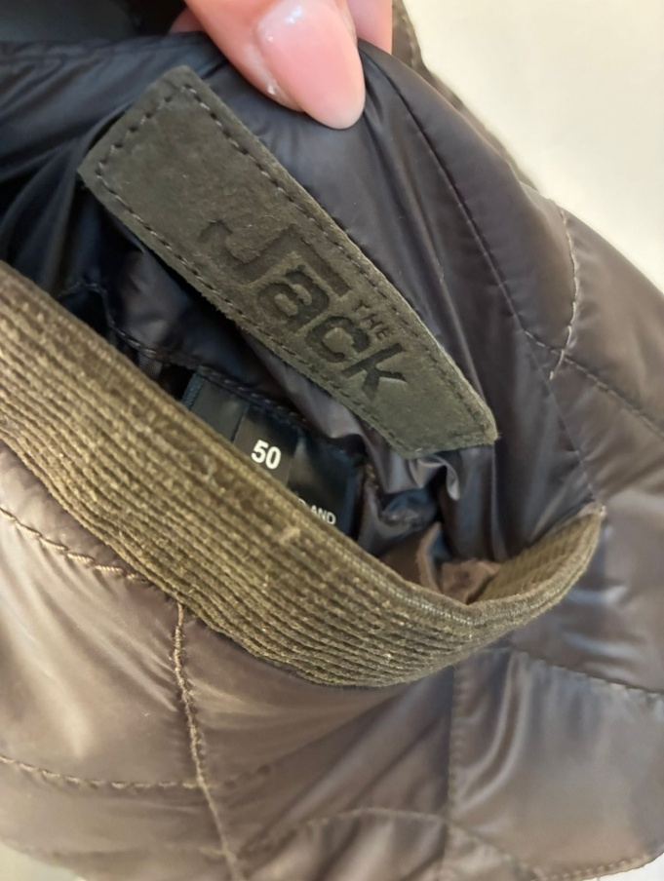 POCKETS | SIDE A NYLON: SINGLE WELT POCKET MADE IN VELVET CORDUROY, OK AS PER SMS/PPS SIDE B WOOLISH TEXTILE: SINGLE WELT POCKET MADE IN VELVET CORDUROY, OK AS PER SMS/PPS ARMHOLE EDGE PIPING TO BE MADE IN VELVET CORDUROY, VERY WELL MADE , NOT TOO THICK OK AS PER PPS -> VELVET COLOR USED ON PPS IS NOT APPROVED BECAUSE IT IS DARK GREEN, BUT IN COMBINATION WITH DARK BROWN SUEDE, WE REQUIRE DARK BROWN VELVET.
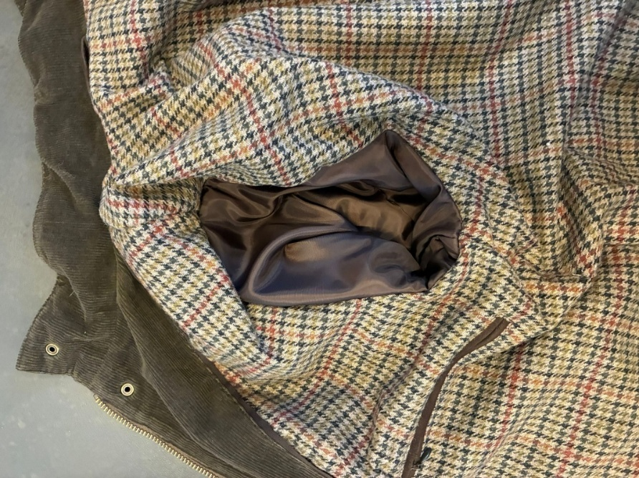 SLEEVES LINING | SLEEVES LINING: PLEASE USE LIGHT POLY SATIN/TAFTA' MATCHING SUEDE COLOR, provided by you, OK AS PER PPS >>TAKE CARE THAT SLEEVES LINING WILL HAVE SOME EXTRA IN LENGHT TO NOT PULL THE OUTSHELL, CHECK CAREFULLY THE LINING LENGTH AFTER WASHING | 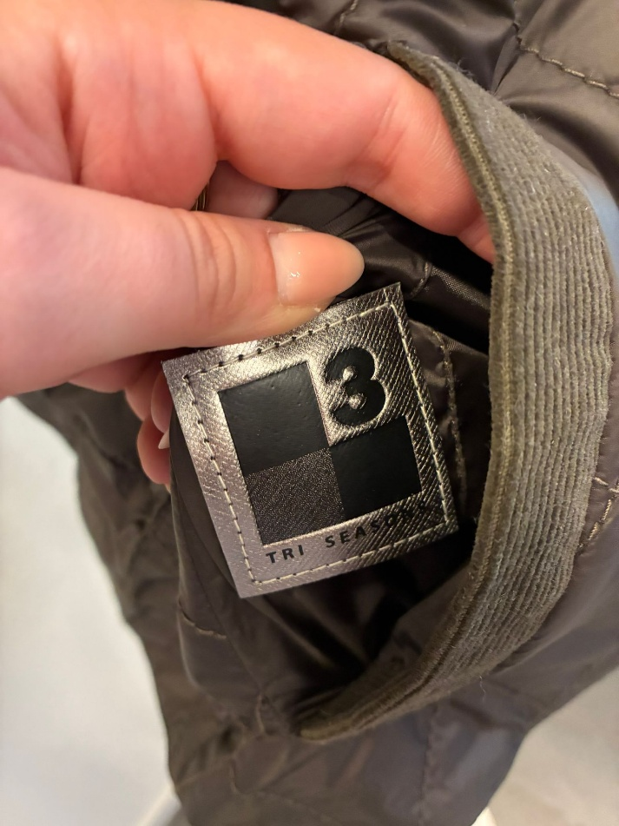 STITCHING | >PLEASE USE THICK THREAD (3 PLY) LONG STITCH, MATCHING BASE MATERIAL COLOR, OK AS PER PPS
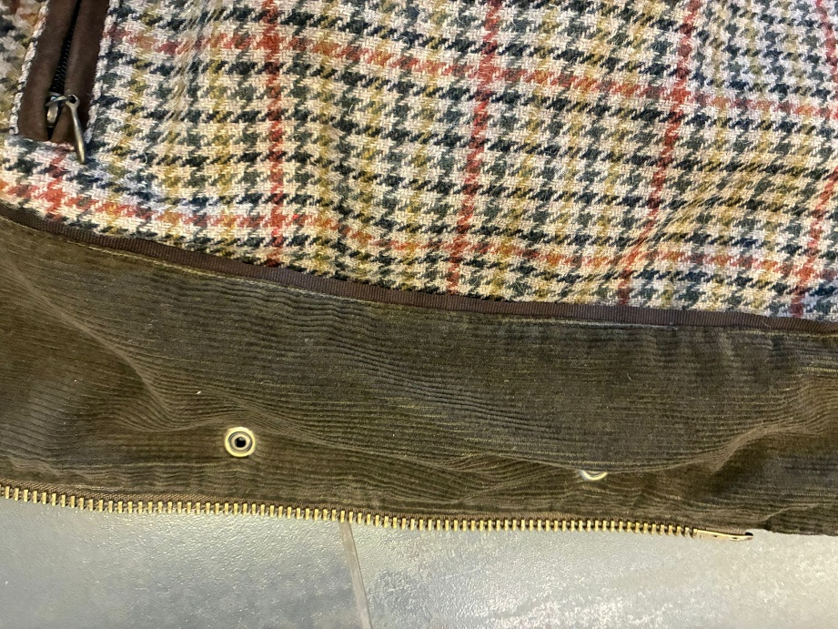 GROS GRAIN TAPE | BETWEEN BODY FACING and LINING: USE GROS GRAIN TAPE col DARK BROWN, OK AS PER PROTO GROS GRAIN VISIBLE ONLY 3/4mm MAX USE GROS GRAIN TAPE col DARK BROWN, FIXED FOR ALL SUEDE COLORS | LABELLING | LABELLING WITH EMBOSSED "THE JACK" PRINT, OK AS PER SMS/PPS >PLEASE MAKE FOR MAIN LABEL LEATHER STRIP (DOUBLE LAYERS) 8cm x 2cm WITH EMBOSSED PRINT The Jack >to be stitched all around with placement inside the left pocket of side A >TO BE STITCHED ALL AROUND >PLACEMENT INSIDE LEFT POCKT, LEATHER SIDE TRI SEASONS LABEL, PROVIDED BY US, OK AS PER SMS PLACEMENT INSIDE RIGHT POCKET of side A LABEL STITCH ALL AROUND WITH MATCHING BASE COLOR THREAD >>WHEN THE VEST IS ORDERED SEPARATELY AND NOT TOGETHER WITH THE JACKET, PLEASE CANCEL THE 3 SEASON LABEL. THE 3 SEASON LABEL IS REQUIRED ONLY WHEN THE VEST IS INCLUDED WITH THE OUTER JACKET
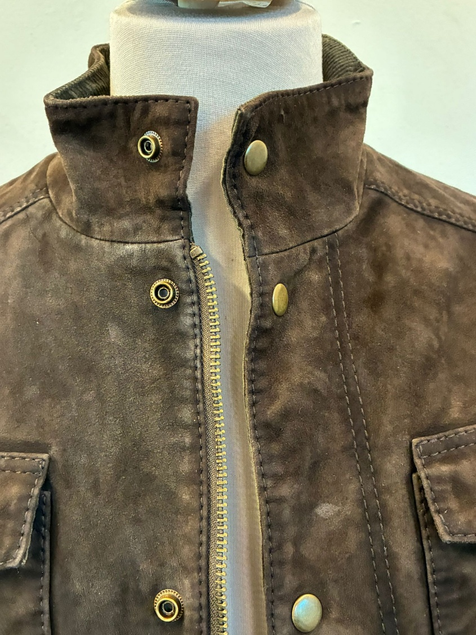 BUTTONS/ACCESSORIES | PLEASE USE PRESS-BUTTONS, FLAT CAP, RING-TYPE IN ANTIQUE BRASS FINISHING, OK AS PER PPS USE VISIBLE PRESS-BUTTONS 15mm, OK AS PER PPS MAIN CLOSURE, COLLAR, POCKETS-FLAP, CUFFS, BACK LOOP (with DOUBLE MALE PARTS FOR REGULATION) >>ALL PRESS BUTTONS INSIDE SHOULD HAVE PLASTIC-REINFORCEMENT
ZIPPERS | 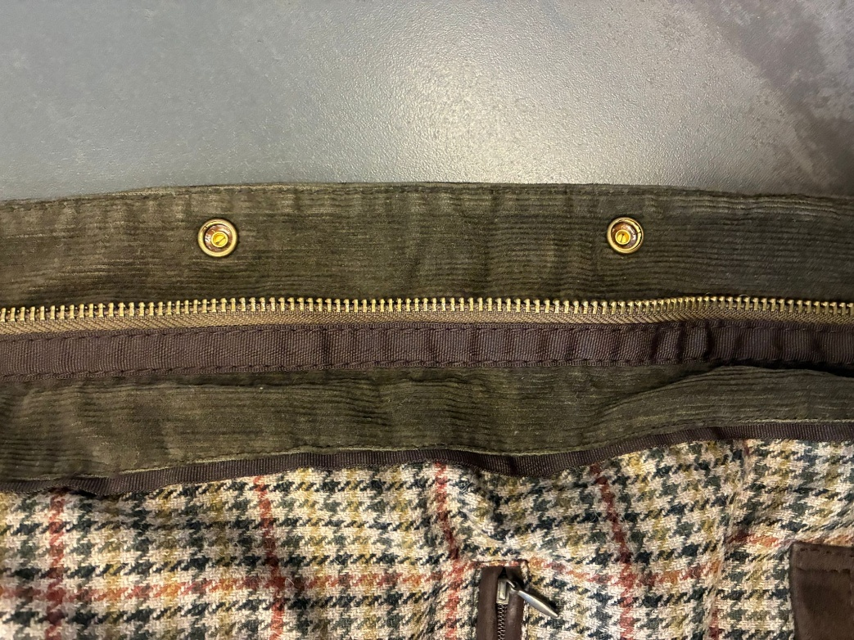 >PLEASE USE SAS/SBS/SAB ZIPPER , GOOD QUALITY in ANTIQUE BRASS FINISHING, OK AS PER SMS/PPS ANTIQUE BRASS FINISHING FOR TEETH AND SLIDER BOTH > MAIN CLOSURE USE n8 ZIPPER, DOUBLE SLIDERS, OK AS PER SMS/PPS >CIRCLE SHAPED FOR TOP PULLER and CLASSIC PULLER MAN SHAPE FOR BOTTOM, OK AS PER SMS/PPS LEAVE ENOUGH ROOM FOR SLIDERS RUN >>>NO LEATHER PULLERS | PRINTED LABELS | ADD PRINTED LABELS, provided by you >>to be stitched inside the left pocket of side A IMPROVE IN BULK 1st PLACE *SIZE LABEL 2nd PLACE *FACEBOOK INSTAGRAM 3rd PLACE *DISTRIBUITO DA 4th PLACE *WASH CARE LABEL 5th PLACE *MADE IN INDIA *THESE PRINTED LABELS PROVIDED BY YOU SHOULD BE WITH BLACK GROUND AND WHITE LETTERING/PRINT >>to be stitched inside the left pocket of side A
PADDING | >>KINDLY USE SOFT GOOD QUALITY POLYESTER PADDING ONLY FOR SLEVES, OK AS PER SMS/PPS BODY NOT FILLED DUE THE VEST | 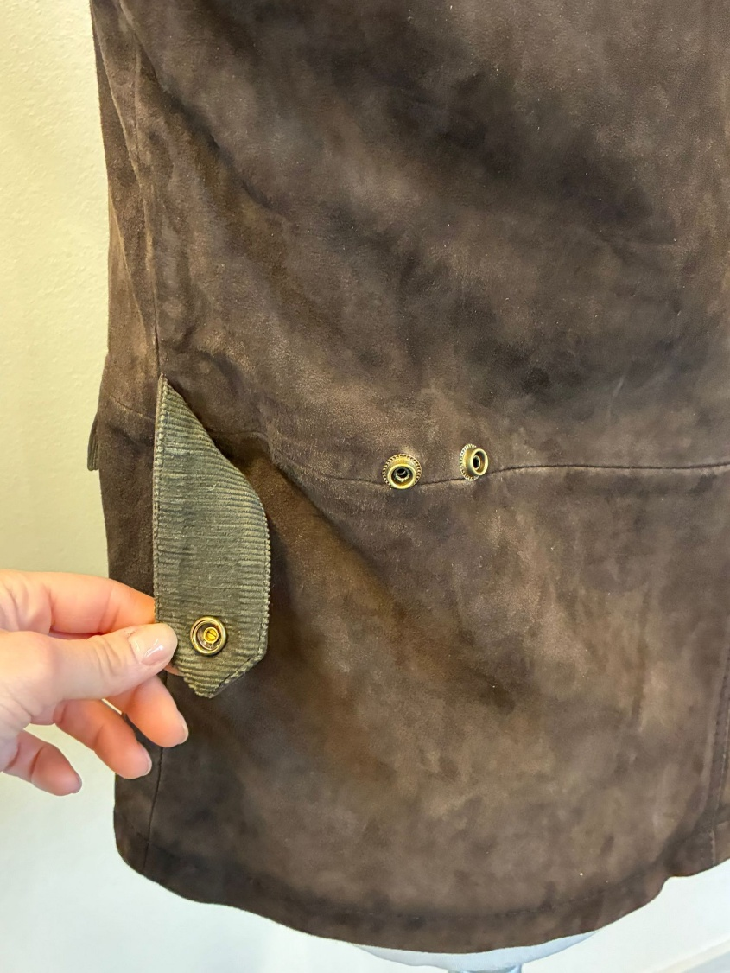 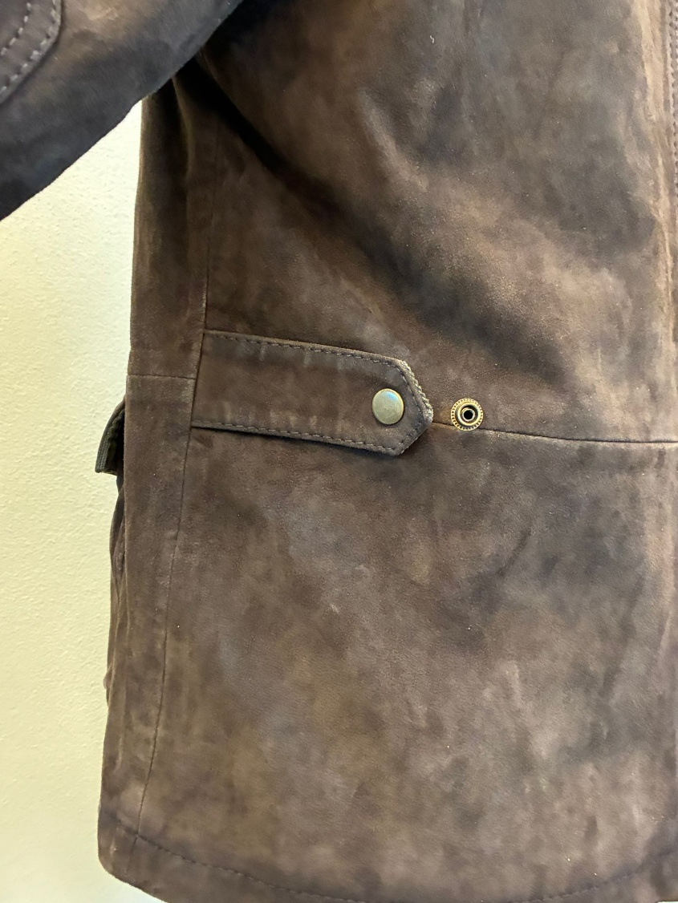 | 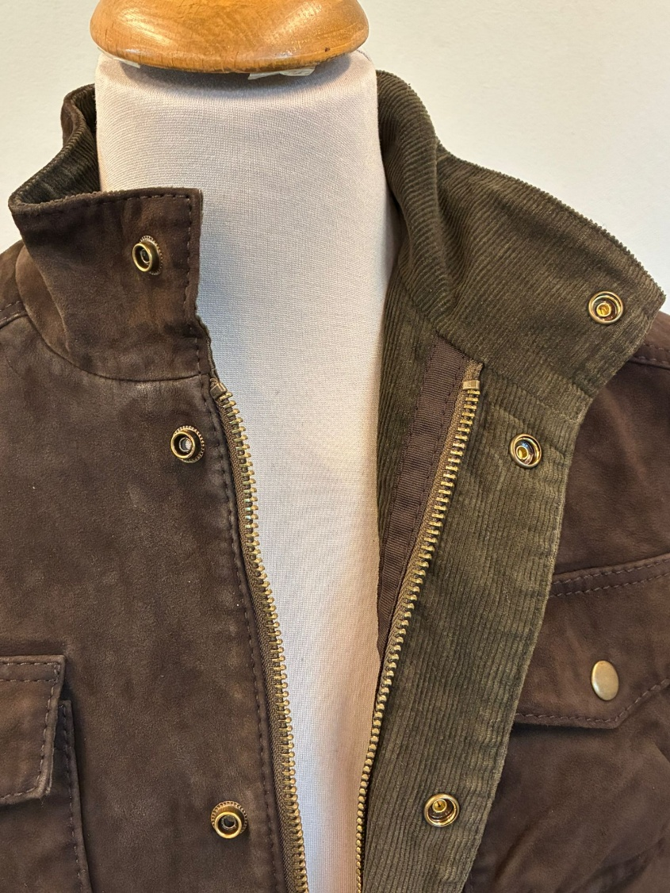 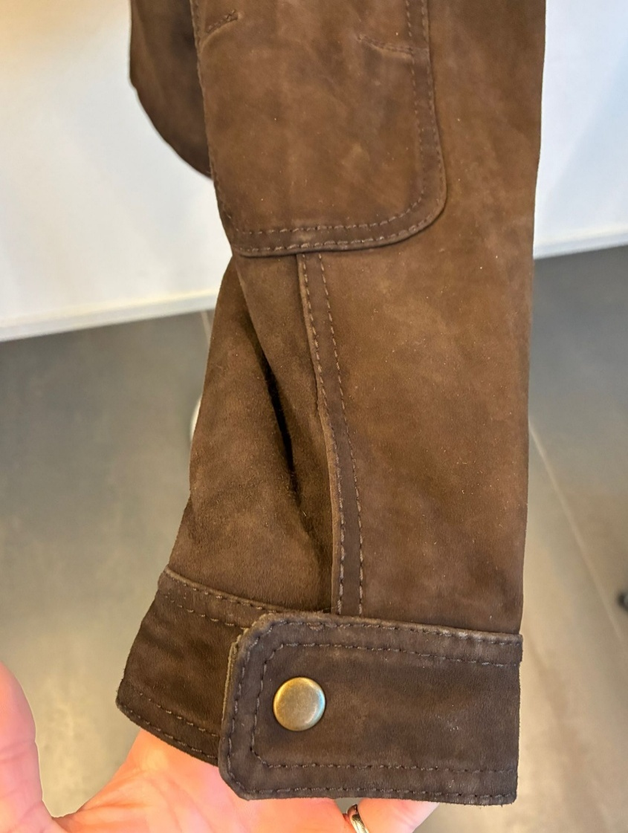 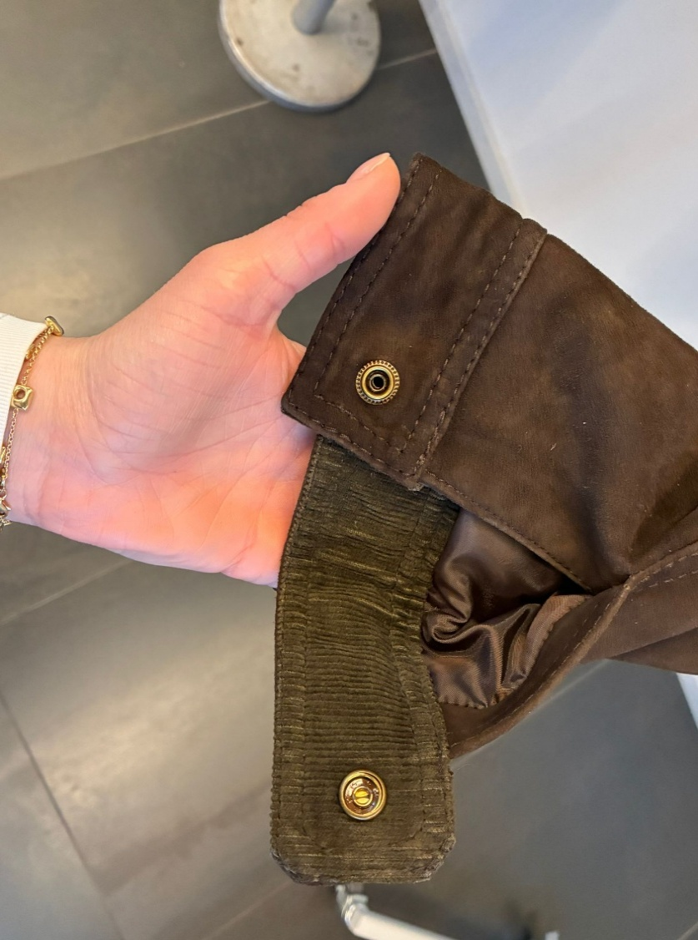
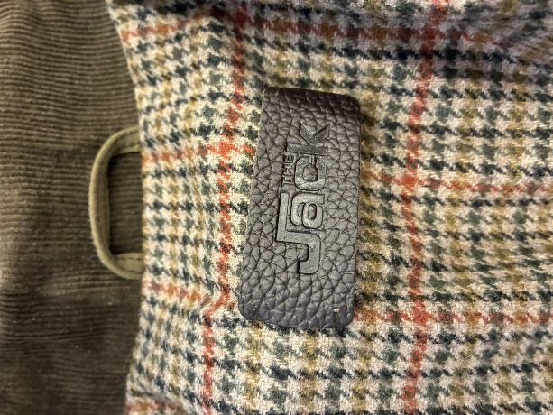 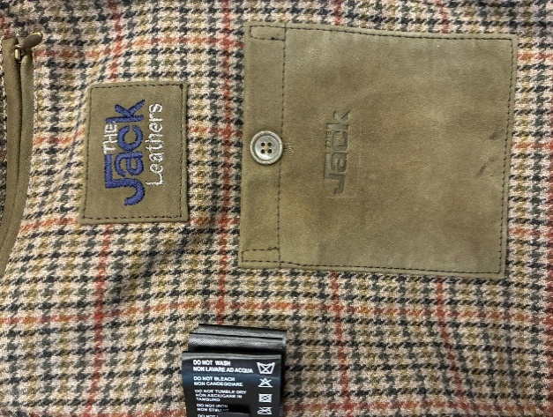 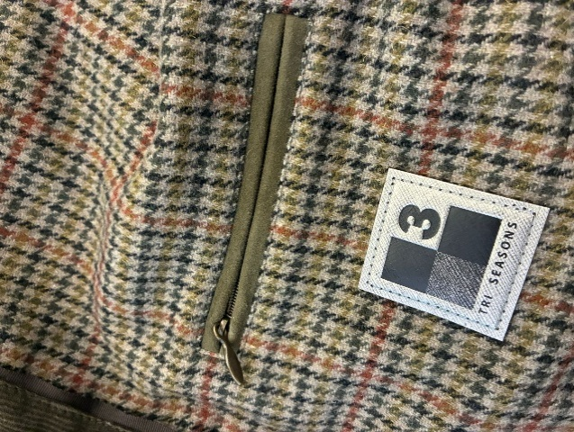 LABELLING | LABELLING MISSING ON PPS, IMPROVE IN BULK 1_MAIN LABEL, OK AS PER SMS >PLEASE USE THE EMBOSSED LABEL "JACK" IN PRINTED LEATHER TO BE STITCH UNDER COLLAR,col DARK BROWN WITH 4 HOLES, FIXED FOR ALL SUEDE COLORS >>PLEASE LIAISE WITH MR AEJAZ FOR THIS LABEL >FIXED TO THE LINING UNDER BACK NECKLINE AT 4cm, STITCH IT ON 4 ANGLES BY HAND STITCH 2_EMBROIDERED LABEL, PLACEMENT UNDER LEFT CHEST LINING ZIPPER, OK AS PER SMS >PLEASE MAKE THE LOGO "THE JACK LEATHERS" EMBROIDERED ON A SUEDE RECTANGLE AND PATCHED >KINDLY MAKE THE PATCH 7cm WIDE and 4,5cm high >FOLDED EDGES FOR SUEDE RECTANGLE + EDGE STITCHING ALL AROUND >"THE " and " LEATHERS" LOGO EMBROIDERED WITH DARK GREY THREAD, FIXED FOR ALL SUEDE COLORS >"JACK" LOGO EMBROIDERED IN COLOR DARK BLUE, FIXED FOR ALL SUEDE COLORS 3_3SEASON LABEL, provided by us , PLACEMENT UNDER RIGHT CHEST LINING ZIPPER , STITCHED ALL AROUND BY MATCHING BASE THREAD, OK AS PER SMS 3b) WHEN #CLERMONT IS ORDERED WITHOUT VEST, CANCEL THE 3 SEASON LABEL THE 3 SEASON LABEL IS REQUIRED ONLY WHEN THE VEST IS INCLUDED

HANGTAG | EMBROIDERED HANGTAG LEATHER HANG TAG WITH antique brass eyelet FOLDED EDGES + SINGLE 3mm STITCHING FROM EDGES-MATCHING LEATHER COLOR FRONT SIDE: >"THE " and " LEATHERS" LOGO EMBROIDERED WITH DARK GREY THREAD, FIXED FOR ALL SUEDE COLORS >"JACK" LOGO EMBROIDERED IN COLOR DARK BLUE, FIXED FOR ALL SUEDE COLORS TEXTILE FOR BACK SIDE: BACK LABEL LAYER IN BODY LINING FABRIC FOLDED EDGES Ms Luana already sent you carton tag instructions
PRINTED LABELS | PRINTED LABELS, provided by you--> MISSING ON PPS IMPROVE IN BULK 1st PLACE *SIZE LABEL 2nd PLACE *FACEBOOK INSTAGRAM 3rd PLACE *DISTRIBUITO DA 4th PLACE *WASH CARE LABEL 5th PLACE *MADE IN INDIA ->THESE PRINTED LABELS PROVIDED BY YOU SHOULD BE WITH BLACK GROUND AND WHITE LETTERING/PRINT STITCHED ON THE WEARER'S LEFT LINING SIDE
STITCHING | >PLEASE USE BIG THREAD (3 PLY, TICKET 10 OR 15.) LONG STITCH >>>THREAD MATCHING BASE COLOR >USE THICK THREAD 1 TONE DARKER THAN LEATHER AFTER WASHING GENERAL STITCHING OK AS PER SMS/PPS >>PATCHED ELBOW IN SAME MATERIAL AS PER JACKET, OK AS PER SMS/PPS
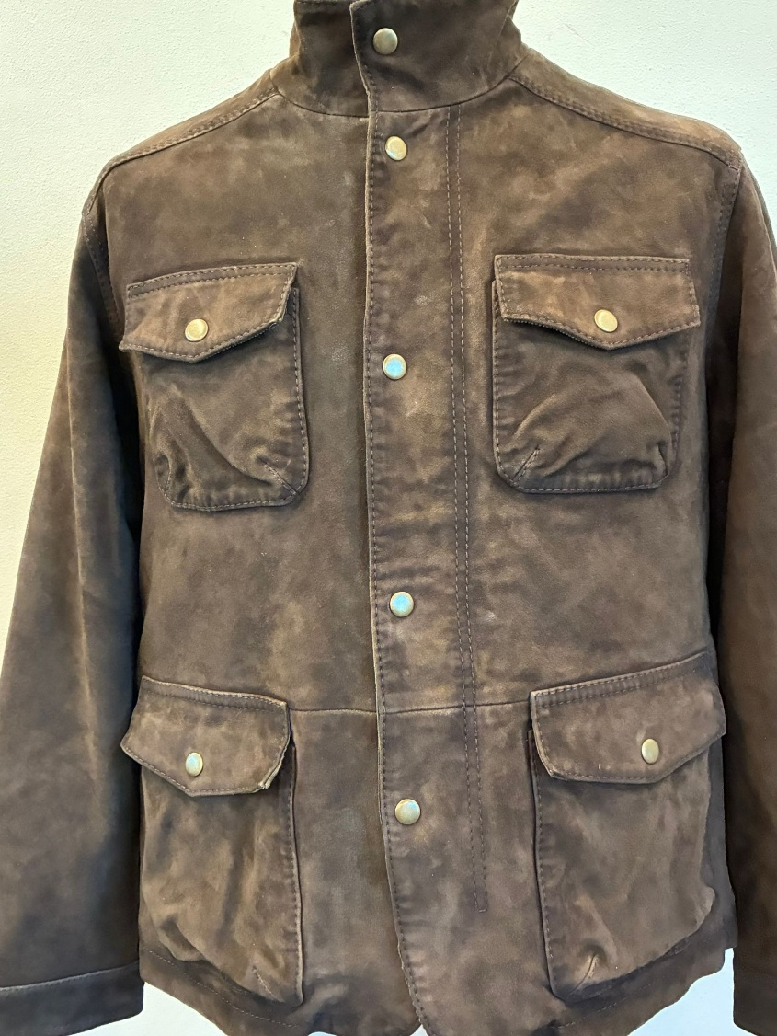 POCKETS | FOUR PATCH POCKETS WITH FLAP CLOSED BY VISIBLE SNAP BUTTON FLAP WITH POINTED SHAPE, VELVET UNDERFLAP POCKET WITH MIX OF SQUARED/SLIGHTLY ROUNDED CORNERS AND SMALL PLEAT TO CREATE VOLUME. TAKE CARE OF POCKET EDGES (folding & stitching) , SHOULD BE PRECISE | 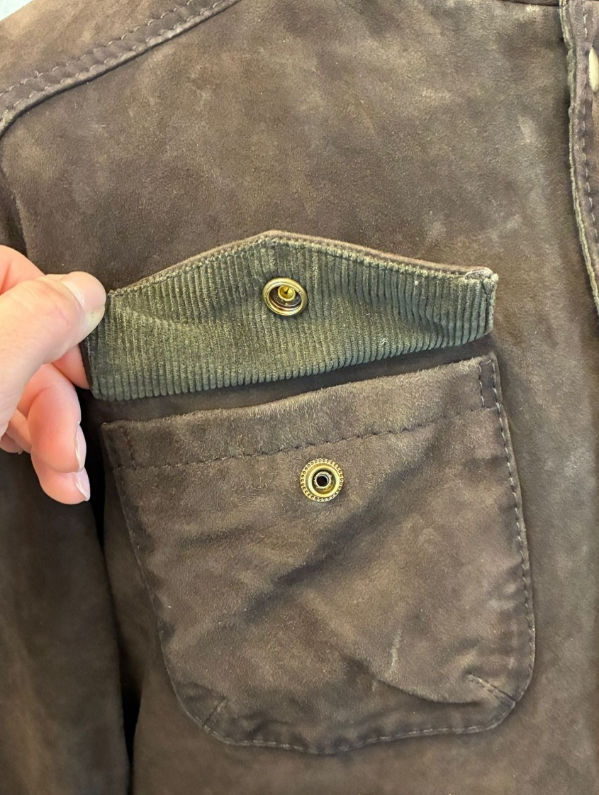 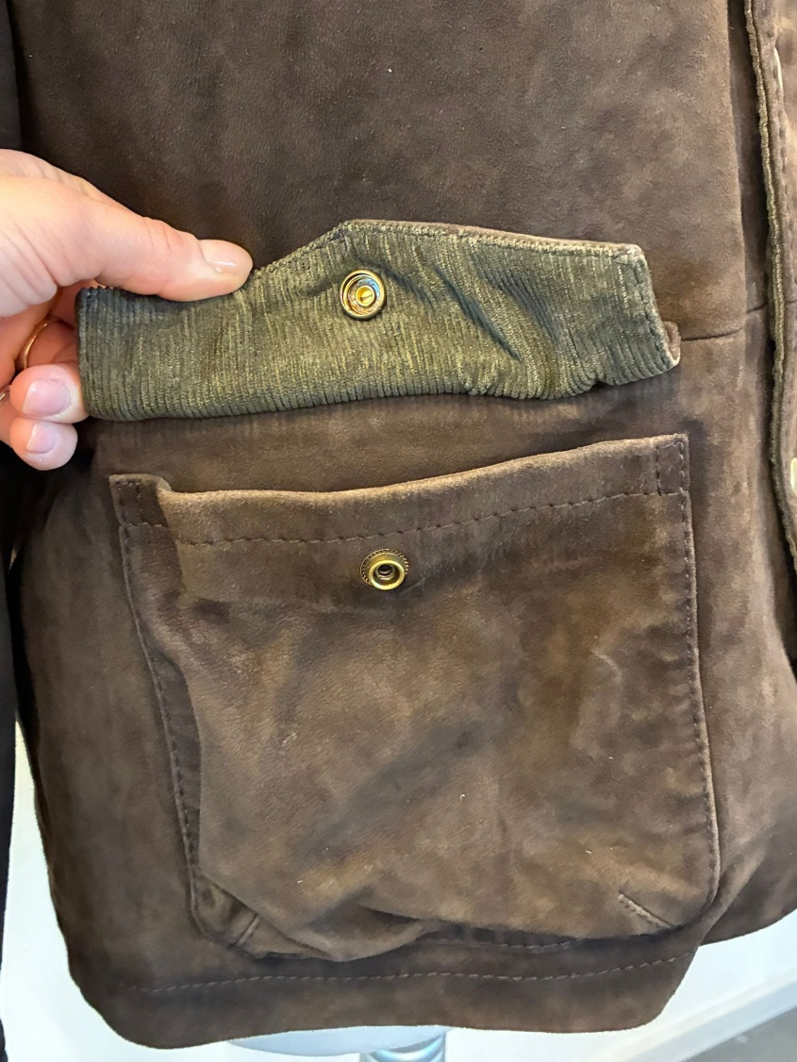 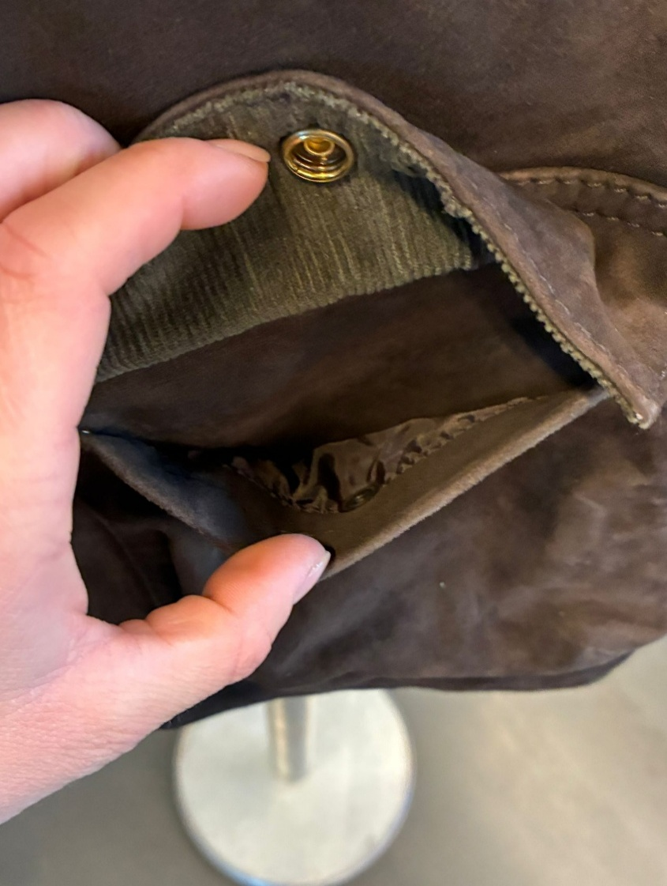
TAKE CARE OF DELIVERY PACKING AVOID IMPRESSION OF CARTON TAGS or seals, KINDLY WRAP THEM WITH SOFT PAPER AVOID MAIN ZIPPER OR PKTS SHAPE ON THE JKT PANELS

